Sheet1
 | MODEL | Tuning Parameter | Modulation | Values of tuning parameters | RMSE | R-Squared | RMSE SD | R-Squared SD | Graph with change in tuning parameters

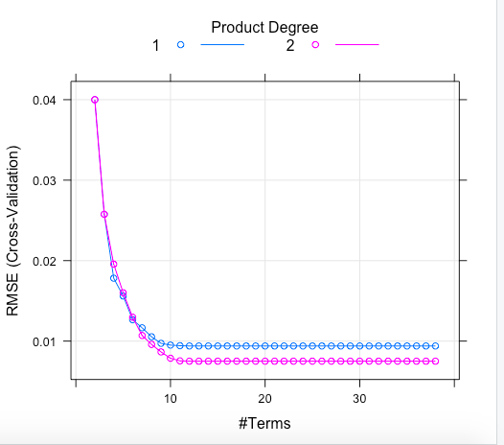

1 | MARS | The number of terms retained in the final model (nprune) | Degree should be more | degree =1, nrpune = 12 | 0.093 | 0.992 | 0.00026 | 0.00066
 |  | The maximum degree of interactions (degree) | Nprune should be more | degree =2, nrpune = 13 | 0.075 | 0.995 | 0.00021 | 0.00044

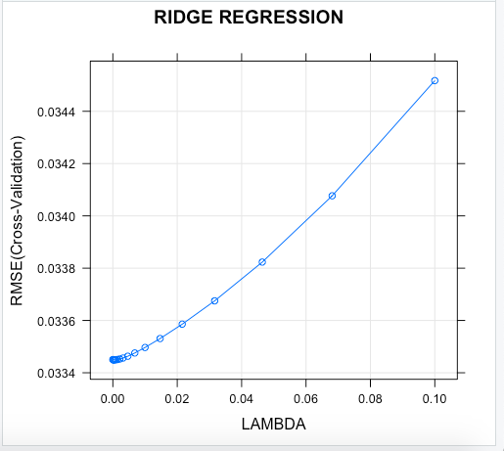

2 | RIDGE | Lambda | Lambda should be less | L =0.0004 | 0.0334 | 0.909 | 0.0014 | 0.0065
 |  |  |  | L =0.100 | 0.0345 | 0.903 | 0.0015 | 0.007

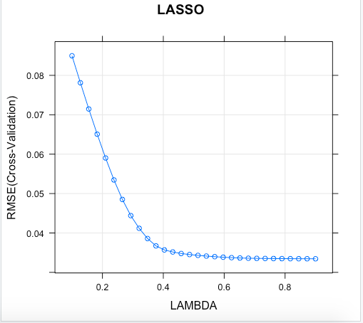
3 | LASSO | Lambda | Lamba should be more | L=0.9 | 0.0334 | 0.909 | 0.0015 | 0.009
 |  |  |  | L=.0.10 | 0.084 | 0.87 | 0.0016 | 0.0103

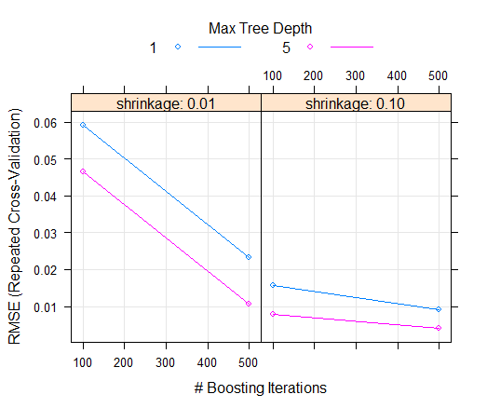
4 | GBM | Shrinkage(Learning rate) | depth and trees should be more | Rate=.01, Int. Depth=1, n.trees=100 | 0.059 | 0.887 | 0.002 | 0.006
 |  | Interaction depth |  | Rate=.10, Int. Depth=1, n.trees=100 | 0.015 | 0.981 | 0.0004 | 0.0016
 |  | Number of trees(boosting iterations) |  | Rate=.01, Int. Depth=5, n.trees=500 | 0.01 | 0.991 | 0.0002 | 0.0007
 |  |  |  | Rate=.10, Int. Depth=5, n.trees=500 | 0.004 | 0.998 | 0.0001 | 0.0001

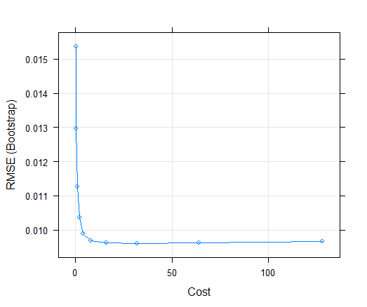
5 | SVM | Cost Function | Less C and more sigma value | C=0.50 | 0.012 | 0.986 | 0.001 | 0.0019
 |  | Maximal Marginal Distance |  | C=4.0 | 0.009 | 0.992 | 0.0008 | 0.0014
 |  |  |  | C=16 | 0.009 | 0.992 | 0.0008 | 0.0012
 |  |  |  | C=32 | 0.0096 | 0.993 | 0.00085 | 0.001248
 |  |  |  | C=128 | 0.009 | 0.9928 | 0.0008 | 0.0013

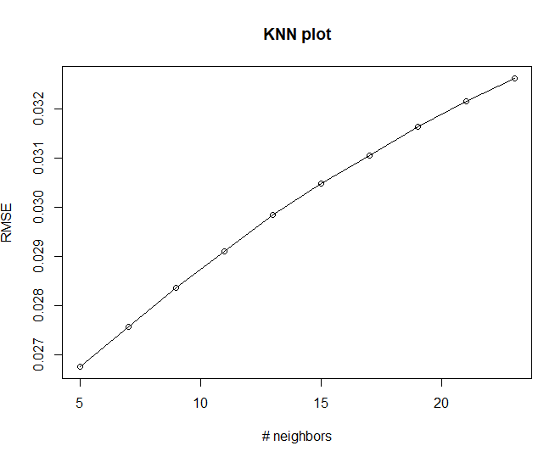
6 | KNN | K value | Lowest RMSE is the most optimal model | K = 5 | 0.026 | 0.943 | 0.0004 | 0.0026
 |  |  |  | K = 9 | 0.028 | 0.938 | 0.0004 | 0.0027
 |  |  |  | K = 23 | 0.032 | 0.92 | 0.0004 | 0.0032

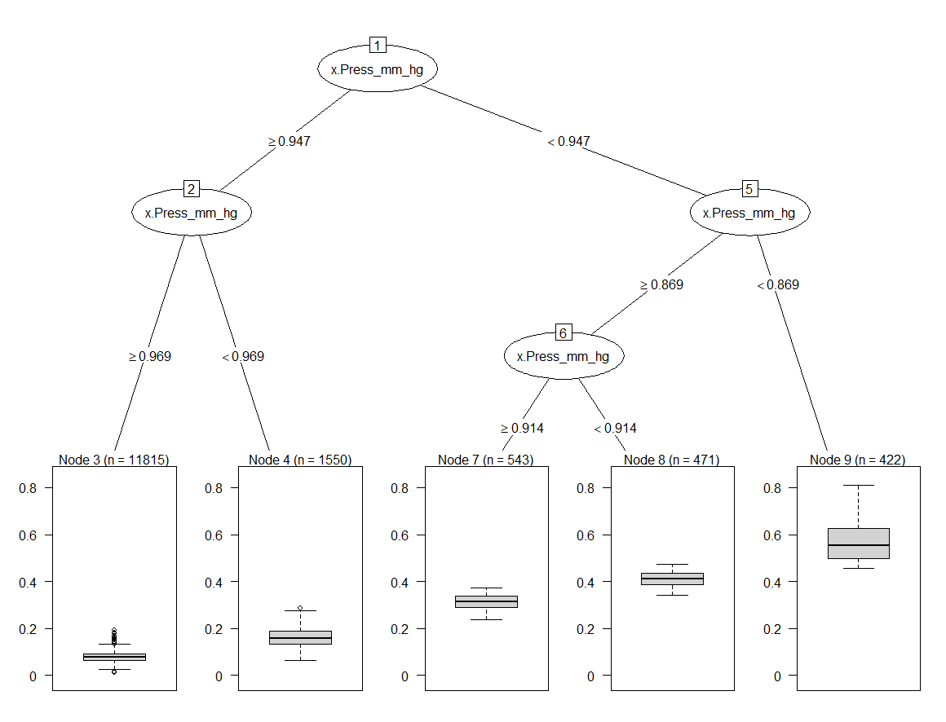
7 | Decision trees | Cost complexity Parameter | Cp= 0.01 | only one tree | 0.03289199 | 0.90866495
 |  | Maximum node depth | n= 30

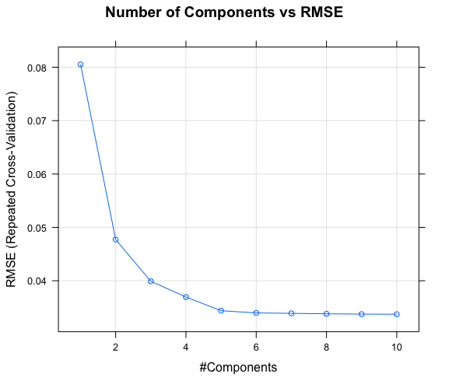
8 | PLS | ncomp | ncomp should be more | ncomp=3 | 0.039 | 0.87 | 0.00125 | 0.01204
 |  |  |  | ncomp=5 | 0.0343 | 0.9042 | 0.00131 | 0.00728
 |  |  |  | ncomp=10 | 0.03372 | 0.9079 | 0.00135 | 0.00723

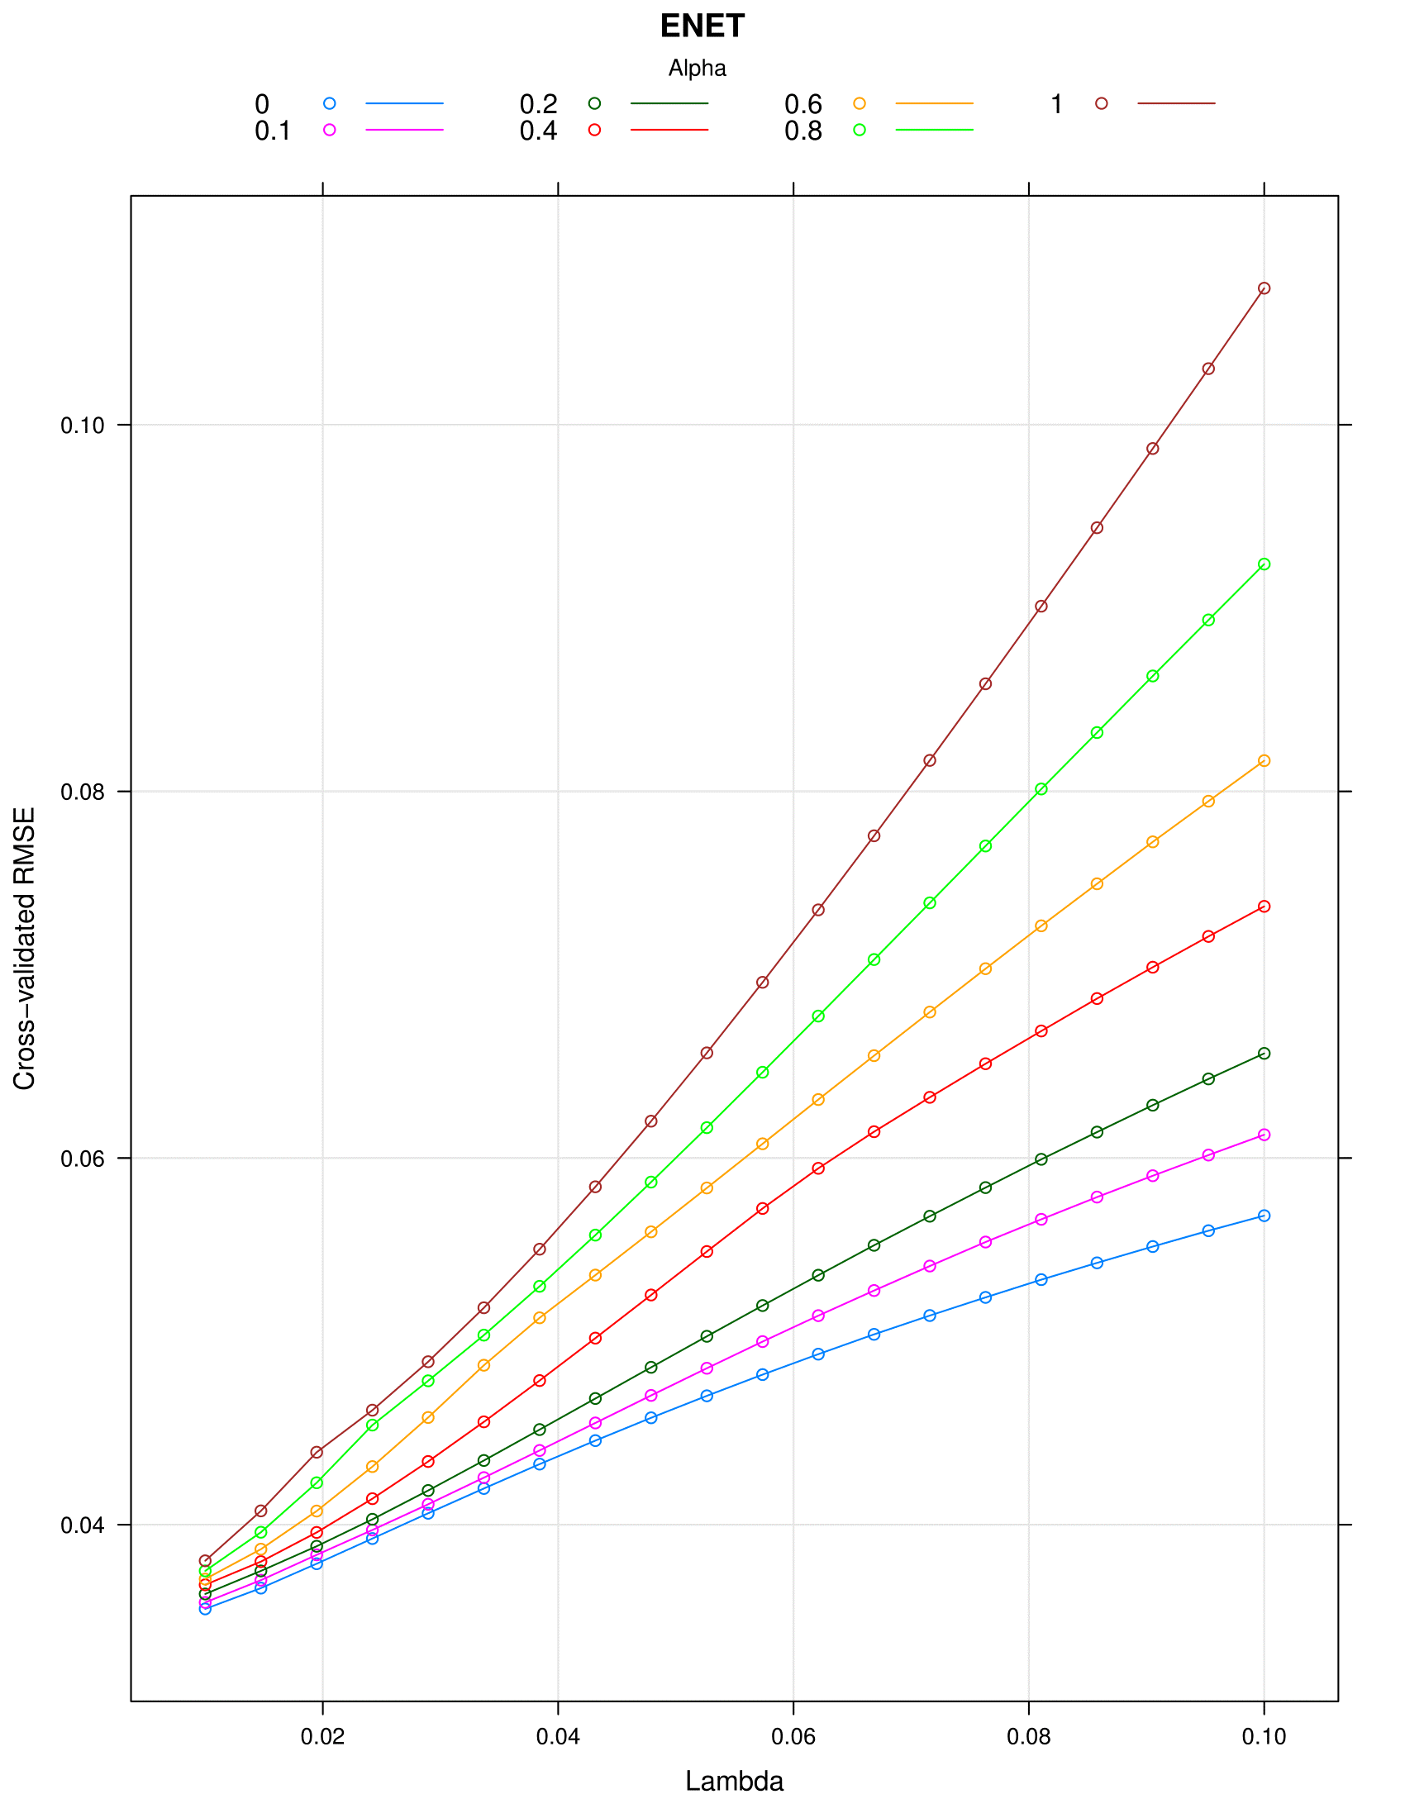

9 | Enet | alpha | alpha should be less | alpha=0, lamda=0.52 | 0.047 | 0.8745 | 0.00085 | 0.00829
 |  | lambda | lambda should be less | alpha=0.6, lamda=0.081 | 0.0726 | 0.8745 | 0.0017 | 0.0066
 |  |  |  | alpha=0, lamda=0.01 | 0.0354 | 0.9038 | 0.00097 | 0.0064


10 | Extra Tree Regressor | number of estimators | estimators and depth should be more | no. of estimators=10 | 0.004 | 0.999
 |  | max. tree depth |  | max. tree depth= 4

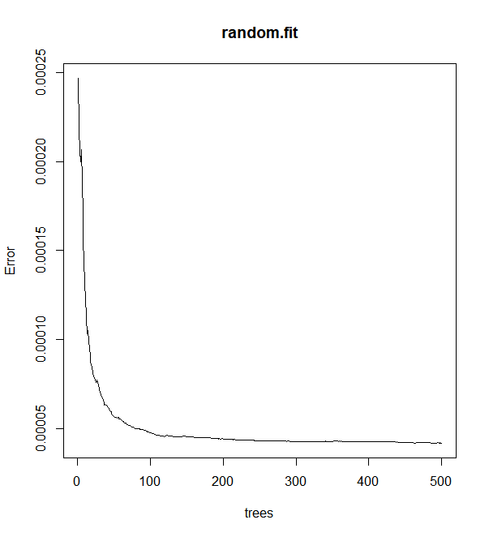

11 | Random Forest | number of trees | number of trees should be more and also the depth | number of trees | 0.006 | 0.996
 |  | depth, number of iterations

